Sheet1
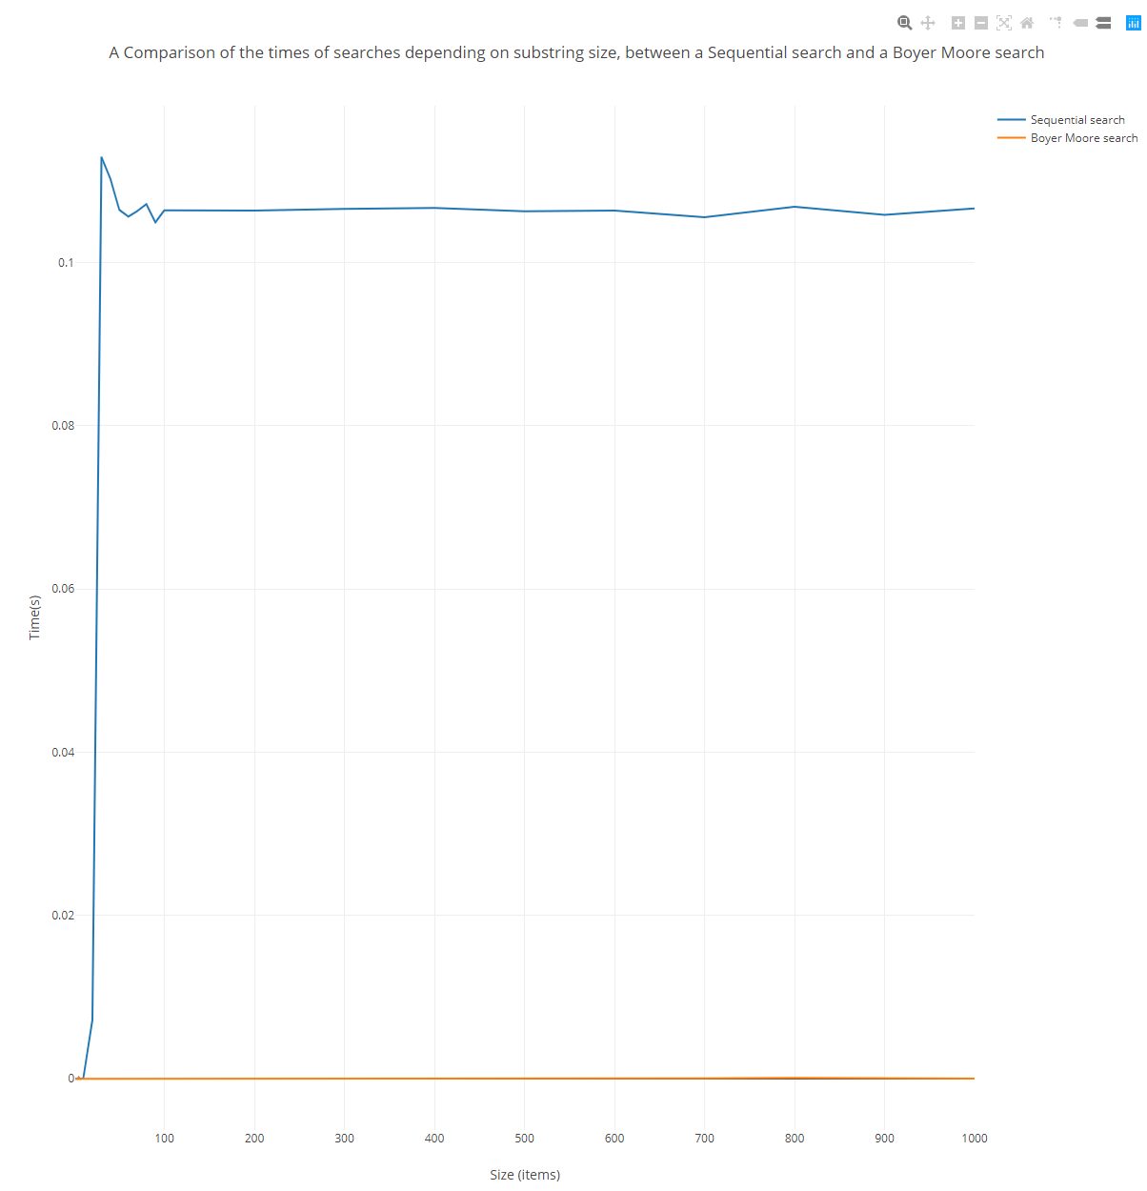
Sequential searcher substring size timer. |  | Boyer Moore substring size timer.
Time | Size | Time | Size | Mean of X | Mean of Y |  | x - Xmean | y - Ymean |  | x- Xmean all squared | (x-Xmean)(y-Ymean)
0.000001026 | 1 | 0.000003392 | 1 | 214.10714286 | 0.065164855 | 0.066446663893 | -213.10714286 | -0.065163829 | -0.066443271893 | 45414.654337 | 13.886877416 | 14.159535835
0.000001111 | 2 | 0.000001254 | 2 |  |  |  | -212.10714286 | -0.065163744 | -0.066445409893 | 44989.440051 | 13.821695558 | 14.093546048
0.000002052 | 3 | 0.000001169 | 3 |  |  |  | -211.10714286 | -0.065162803 | -0.066445494893 | 44566.225765 | 13.756333162 | 14.027118583
0.000003905 | 4 | 0.000002794 | 4 | Sum of (x-X)(y-Y) Seq | Sum of x-Xmean^2 |  | -210.10714286 | -0.06516095 | -0.066443869893 | 44145.01148 | 13.69078103 | 13.960331664
0.000147112 | 5 | 0.000153043 | 5 | 239.13917223 | 2595212.6786 |  | -209.10714286 | -0.065017743 | -0.066293620893 | 43725.797194 | 13.595674474 | 13.862469655
0.000003392 | 6 | 0.000009836 | 6 |  |  |  | -208.10714286 | -0.065161463 | -0.066436827893 | 43308.582908 | 13.560565889 | 13.825978433
0.000011233 | 7 | 0.000017847 | 7 | Sum of (x-X)(y-Y)Boy |  |  | -207.10714286 | -0.065153622 | -0.066428816893 | 42893.368622 | 13.493780499 | 13.75788247
0.000014027 | 8 | 0.000033214 | 8 | 249.03459755 |  |  | -206.10714286 | -0.065150828 | -0.066413449893 | 42480.154337 | 13.428051014 | 13.688286405
0.000032016 | 9 | 0.000029821 | 9 |  |  |  | -205.10714286 | -0.065132839 | -0.066416842893 | 42068.940051 | 13.359210513 | 13.622568883
0.000042708 | 10 | 0.000169465 | 10 | Gradient Seq | Gradient Boy |  | -204.10714286 | -0.065122147 | -0.066277198893 | 41659.725765 | 13.291895361 | 13.527649703
0.007215953 | 20 | 0.008846801 | 20 | 9.2146271559E-05 | 9.5959225077E-05 |  | -194.10714286 | -0.057948902 | -0.057599862893 | 37677.582908 | 11.248295799 | 11.180544815
0.112930127 | 30 | 0.108926088 | 30 |  |  |  | -184.10714286 | 0.047765272 | 0.042479424107 | 33895.440051 | -8.7939277557 | -7.8207654026
0.110261165 | 40 | 0.111591288 | 40 | y intercept seq | y intercept Boy |  | -174.10714286 | 0.04509631 | 0.045144624107 | 30313.297194 | -7.8515896875 | -7.8600015187
0.106433602 | 50 | 0.11620565 | 50 | 0.045435680072 | 0.045901108381 |  | -164.10714286 | 0.041268747 | 0.049758986107 | 26931.154337 | -6.7724961595 | -8.1658050415
0.105636483 | 60 | 0.100346799 | 60 |  |  |  | -154.10714286 | 0.040471628 | 0.033900135107 | 23749.01148 | -6.2369669579 | -5.2242529638
0.106306675 | 70 | 0.113250415 | 70 |  |  |  | -144.10714286 | 0.04114182 | 0.046803751107 | 20766.868622 | -5.9288301321 | -6.744754847
0.107157365 | 80 | 0.111953853 | 80 |  |  |  | -134.10714286 | 0.04199251 | 0.045507189107 | 17984.725765 | -5.6314955375 | -6.1028391106
0.104922415 | 90 | 0.113330672 | 90 | 0.98986019455 |  |  | -124.10714286 | 0.03975756 | 0.046884008107 | 15402.582908 | -4.9341971786 | -5.8186402919
0.106401329 | 100 | 0.106394374 | 100 |  |  |  | -114.10714286 | 0.041236474 | 0.039947710107 | 13020.440051 | -4.7053762296 | -4.558319064
0.106355627 | 200 | 0.096370668 | 200 |  |  |  | -14.107142857 | 0.041190772 | 0.029924004107 | 199.01147959 | -0.581084105 | -0.4221422008
0.10656167 | 300 | 0.108108783 | 300 |  |  |  | 85.892857143 | 0.041396815 | 0.041662119107 | 7377.5829082 | 3.555690717 | 3.5784784447
0.106673659 | 400 | 0.104661433 | 400 |  |  |  | 185.89285714 | 0.041508804 | 0.038214769107 | 34556.154337 | 7.7161901721 | 7.1038526144
0.10628438 | 500 | 0.103220893 | 500 |  |  |  | 285.89285714 | 0.041119525 | 0.036774229107 | 81734.725765 | 11.755778487 | 10.513489429
0.10637892 | 600 | 0.111295864 | 600 |  |  |  | 385.89285714 | 0.041214065 | 0.044849200107 | 148913.29719 | 15.904213297 | 17.30698597
0.105555599 | 700 | 0.112872141 | 700 |  |  |  | 485.89285714 | 0.040390744 | 0.046425477107 | 236091.86862 | 19.625574004 | 22.557807716
0.106823623 | 800 | 0.115055402 | 800 |  |  |  | 585.89285714 | 0.041658768 | 0.048608738107 | 343270.44005 | 24.407574609 | 28.479512452
0.1058417 | 900 | 0.107511036 | 900 |  |  |  | 685.89285714 | 0.040676845 | 0.041064372107 | 470449.01148 | 27.899957437 | 28.165759511
0.106617066 | 1000 | 0.110142594 | 1000 |  |  |  | 785.89285714 | 0.041452211 | 0.043695930107 | 617627.58291 | 32.576996538 | 34.340319357

Sequential searcher superstring size timer |  | Boyer Moore superstring size timer.
Time | Size | Time | Size | Mean of X | Mean of Y |  | x - Xmean | y - Ymean |  | x- Xmean all squared | (x-Xmean)(y-Ymean)
0.000005245 | 10 | 0.000006756 | 10 | 1428570.5357 | 0.000053358 | 4.7693232143E-05 | -1428560.5357 | -0.000048113 | -4.0937232143E-05 | 2.0407852042E+12 | 68.732333055 | 58.481314281
0.000004162 | 20 | 0.000006443 | 20 |  |  |  | -1428550.5357 | -0.000049196 | -4.1250232143E-05 | 2.0407566331E+12 | 70.278972155 | 58.928041226
0.000006215 | 30 | 0.000006215 | 30 |  |  |  | -1428540.5357 | -0.000047143 | -4.1478232143E-05 | 2.0407280622E+12 | 67.345686475 | 59.253335966
0.000007526 | 40 | 0.000006671 | 40 | Sum of (x-X)(y-Y) Seq | Sum of x-Xmean^2 |  | -1428530.5357 | -0.000045832 | -4.1022232143E-05 | 2.0406994915E+12 | 65.472411513 | 58.601511259
0.000007811 | 50 | 0.000011404 | 50 | 2808.2543437 | 6.7359321645E+14 |  | -1428520.5357 | -0.000045547 | -3.6289232143E-05 | 2.040670921E+12 | 65.06482484 | 51.839913341
0.000006785 | 60 | 0.000014084 | 60 |  |  |  | -1428510.5357 | -0.000046573 | -3.3609232143E-05 | 2.0406423506E+12 | 66.53002118 | 48.011142213
0.000007612 | 70 | 0.000007897 | 70 | Sum of (x-X)(y-Y)Boy |  |  | -1428500.5357 | -0.000045746 | -3.9796232143E-05 | 2.0406137805E+12 | 65.348185507 | 56.848938935
0.000007697 | 80 | 0.00000764 | 80 | 2635.1208284 |  |  | -1428490.5357 | -0.000045661 | -4.0053232143E-05 | 2.0405852106E+12 | 65.226306351 | 57.215663041
0.000008695 | 90 | 0.000007954 | 90 |  |  |  | -1428480.5357 | -0.000044663 | -3.9739232143E-05 | 2.0405566409E+12 | 63.800226167 | 56.76671962
0.00000707 | 100 | 0.000008952 | 100 | Gradient Seq | Gradient Boy |  | -1428470.5357 | -0.000046288 | -3.8741232143E-05 | 2.0405280714E+12 | 66.121044157 | 55.340708633
0.000011233 | 200 | 0.00001588 | 200 | 4.1690656543E-12 | 3.9120358758E-12 |  | -1428370.5357 | -0.000042125 | -3.1813232143E-05 | 2.0402423873E+12 | 60.170108817 | 45.441083439
0.000010292 | 300 | 0.00000975 | 300 |  |  |  | -1428270.5357 | -0.000043066 | -3.7943232143E-05 | 2.0399567232E+12 | 61.509898891 | 54.193200499
0.000010691 | 400 | 0.000010035 | 400 | y intercept seq | y intercept Boy |  | -1428170.5357 | -0.000042667 | -3.7658232143E-05 | 2.0396710791E+12 | 60.935752247 | 53.782377574
0.000010748 | 500 | 0.000012173 | 500 | 4.7402195645E-05 | 4.2104612956E-05 |  | -1428070.5357 | -0.00004261 | -3.5520232143E-05 | 2.039385455E+12 | 60.850085527 | 50.725396945
0.000020071 | 600 | 0.000011774 | 600 |  |  |  | -1427970.5357 | -0.000033287 | -3.5919232143E-05 | 2.0390998509E+12 | 47.532855222 | 51.291605165
0.000013314 | 700 | 0.000014654 | 700 |  |  |  | -1427870.5357 | -0.000040044 | -3.3039232143E-05 | 2.0388142668E+12 | 57.177647732 | 47.175746099
0.000012401 | 800 | 0.000027626 | 800 |  |  |  | -1427770.5357 | -0.000040957 | -2.0067232143E-05 | 2.0385287027E+12 | 58.477197831 | 28.651402787
0.00001625 | 900 | 0.000032473 | 900 |  |  |  | -1427670.5357 | -0.000037108 | -1.5220232143E-05 | 2.0382431585E+12 | 52.977998239 | 21.729476977
0.000017591 | 1000 | 0.000031161 | 1000 |  |  |  | -1427570.5357 | -0.000035767 | -1.6532232143E-05 | 2.0379576344E+12 | 51.059915351 | 23.600927497
0.000056478 | 2000 | 0.00005836 | 2000 |  |  |  | -1426570.5357 | 0.00000312 | 1.0666767857E-05 | 2.0351034934E+12 | -4.4509000714 | -15.216896736
0.000069308 | 3000 | 0.000094569 | 3000 |  |  |  | -1425570.5357 | 0.00001595 | 4.6875767857E-05 | 2.0322513523E+12 | -22.737850045 | -66.824713496
0.000030933 | 4000 | 0.000101867 | 4000 |  |  |  | -1424570.5357 | -0.000022425 | 5.4173767857E-05 | 2.0294012112E+12 | 31.945994263 | -77.174353498
0.000023634 | 5000 | 0.000023806 | 5000 |  |  |  | -1423570.5357 | -0.000029724 | -2.3887232143E-05 | 2.0265530702E+12 | 42.314210604 | 34.005159858
0.00004325 | 6000 | 0.000029764 | 6000 |  |  |  | -1422570.5357 | -0.000010108 | -1.7929232143E-05 | 2.0237069291E+12 | 14.379342975 | 25.505597374
0.000040627 | 7000 | 0.000027712 | 7000 |  |  |  | -1421570.5357 | -0.000012731 | -1.9981232143E-05 | 2.020862788E+12 | 18.09801449 | 28.404730882
0.000046728 | 8000 | 0.000029051 | 8000 |  |  |  | -1420570.5357 | -0.00000663 | -1.8642232143E-05 | 2.0180206469E+12 | 9.4183826518 | 26.482605702
0.000034012 | 9000 | 0.000037377 | 9000 |  |  |  | -1419570.5357 | -0.000019346 | -1.0316232143E-05 | 2.0151805059E+12 | 27.463011584 | 14.64461919
0.000046585 | 10000 | 0.000044219 | 10000 |  |  |  | -1418570.5357 | -0.000006773 | -3.4742321429E-06 | 2.0123423648E+12 | 9.6079782384 | 4.9284433521
0.000048581 | 20000 | 0.000054255 | 20000 |  |  |  | -1408570.5357 | -0.000004777 | 6.5617678571E-06 | 1.9840709541E+12 | 6.7287414491 | -9.2427128658
0.000073499 | 30000 | 0.000047811 | 30000 |  |  |  | -1398570.5357 | 0.000020141 | 1.1776785714E-07 | 1.9559995434E+12 | -28.16860916 | -0.16470665505
0.000071332 | 40000 | 0.00006027 | 40000 |  |  |  | -1388570.5357 | 0.000017974 | 1.2576767857E-05 | 1.9281281327E+12 | -24.958166809 | -17.463729281
0.000139329 | 50000 | 0.00005722 | 50000 |  |  |  | -1378570.5357 | 0.000085971 | 9.5267678571E-06 | 1.9004567219E+12 | -118.51708753 | -13.133321468
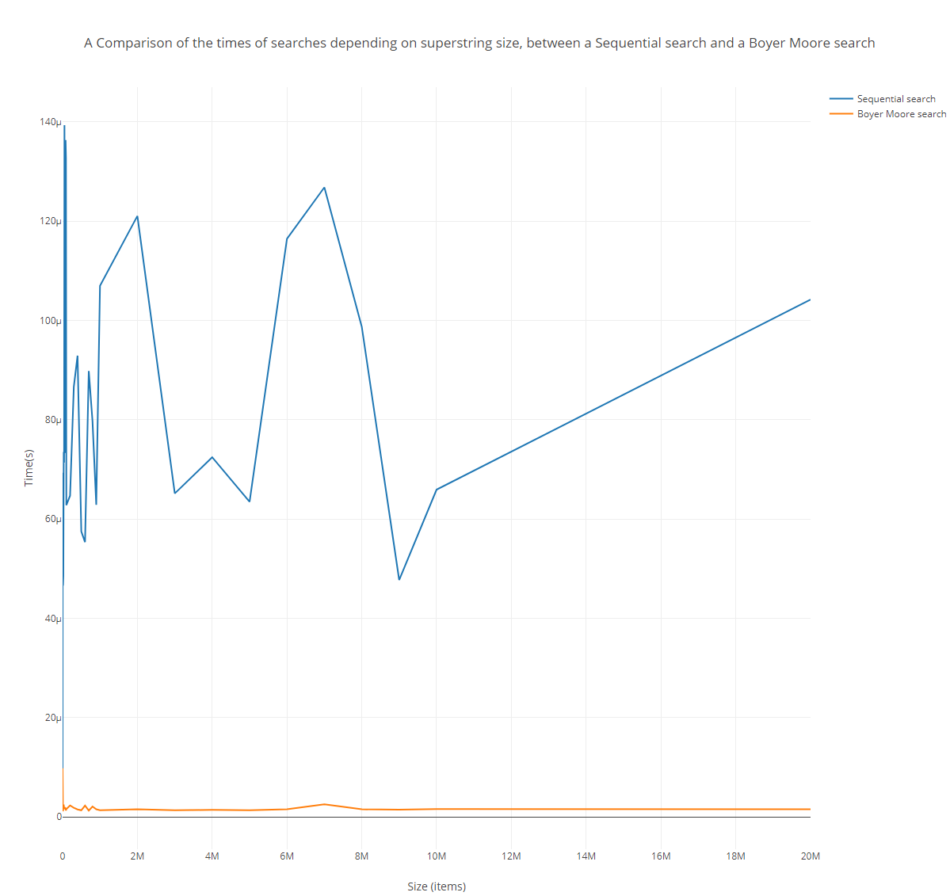
0.000088695 | 60000 | 0.000042794 | 60000 |  |  |  | -1368570.5357 | 0.000035337 | -4.8992321429E-06 | 1.8729853112E+12 | -48.361177021 | 6.7049447583
0.000073299 | 70000 | 0.000051033 | 70000 |  |  |  | -1358570.5357 | 0.000019941 | 3.3397678571E-06 | 1.8457139005E+12 | -27.091255053 | -4.5373102068
0.000136364 | 80000 | 0.000051831 | 80000 |  |  |  | -1348570.5357 | 0.000083006 | 4.1377678571E-06 | 1.8186424898E+12 | -111.93944589 | -5.5800718158
0.000132829 | 90000 | 0.000049408 | 90000 |  |  |  | -1338570.5357 | 0.000079471 | 1.7147678571E-06 | 1.7917710791E+12 | -106.37753904 | -2.2953377292
0.000062779 | 100000 | 0.00008687 | 100000 |  |  |  | -1328570.5357 | 0.000009421 | 3.9176767857E-05 | 1.7650996684E+12 | -12.516463017 | -52.04909946
0.000064689 | 200000 | 0.00008459 | 200000 |  |  |  | -1228570.5357 | 0.000011331 | 3.6896767857E-05 | 1.5093855612E+12 | -13.92093274 | -45.330281852
0.000086614 | 300000 | 0.000075837 | 300000 |  |  |  | -1128570.5357 | 0.000033256 | 2.8143767857E-05 | 1.2736714541E+12 | -37.531741736 | -31.762227168
0.000092915 | 400000 | 0.000116008 | 400000 |  |  |  | -1028570.5357 | 0.000039557 | 6.8314767857E-05 | 1.0579573469E+12 | -40.687164681 | -70.266557372
0.000057505 | 500000 | 0.000071732 | 500000 |  |  |  | -928570.53571 | 0.000004147 | 2.4038767857E-05 | 8.622432398E+11 | -3.8507820116 | -22.321691547
0.000055338 | 600000 | 0.000085245 | 600000 |  |  |  | -828570.53571 | 0.00000198 | 3.7551767857E-05 | 6.8652913265E+11 | -1.6405696607 | -31.11428841
0.000089835 | 700000 | 0.00009146 | 700000 |  |  |  | -728570.53571 | 0.000036477 | 4.3766767857E-05 | 5.3081502551E+11 | -26.576067431 | -31.887177504
0.000079686 | 800000 | 0.000045416 | 800000 |  |  |  | -628570.53571 | 0.000026328 | -2.2772321429E-06 | 3.9510091837E+11 | -16.549005064 | 1.431401028
0.000062865 | 900000 | 0.000055538 | 900000 |  |  |  | -528570.53571 | 0.000009507 | 7.8447678571E-06 | 2.7938681123E+11 | -5.025120083 | -4.1465131488
0.00010697 | 1000000 | 0.000070762 | 1000000 |  |  |  | -428570.53571 | 0.000053612 | 2.3068767857E-05 | 1.8367270408E+11 | -22.976523561 | -9.8865941988
0.000121054 | 2000000 | 0.000056479 | 2000000 |  |  |  | 571429.46429 | 0.000067696 | 8.7857678571E-06 | 3.2653163265E+11 | 38.683489014 | 5.0204466199
0.000065145 | 3000000 | 0.00004496 | 3000000 |  |  |  | 1571429.4643 | 0.000011787 | -2.7332321429E-06 | 2.4693905612E+12 | 18.522439096 | -4.295081522
0.000072444 | 4000000 | 0.000060726 | 4000000 |  |  |  | 2571429.4643 | 0.000019086 | 1.3032767857E-05 | 6.6122494898E+12 | 49.078302755 | 33.512843269
0.000063463 | 5000000 | 0.000071845 | 5000000 |  |  |  | 3571429.4643 | 0.000010105 | 2.4151767857E-05 | 1.2755108418E+13 | 36.089294737 | 86.25633534
0.000116464 | 6000000 | 0.000078945 | 6000000 |  |  |  | 4571429.4643 | 0.000063106 | 3.1251767857E-05 | 2.0897967347E+13 | 288.48462777 | 142.86525239
0.000126813 | 7000000 | 0.000078916 | 7000000 |  |  |  | 5571429.4643 | 0.000073455 | 3.1222767857E-05 | 3.1040826276E+13 | 409.2493513 | 173.9554488
0.000098731 | 8000000 | 0.000124447 | 8000000 |  |  |  | 6571429.4643 | 0.000045373 | 7.6753767857E-05 | 4.3183685204E+13 | 298.16546908 | 504.38197159
0.000047726 | 9000000 | 0.000091917 | 9000000 |  |  |  | 7571429.4643 | -0.000005632 | 4.4223767857E-05 | 5.7326544133E+13 | -42.642290743 | 334.83713898
0.000065915 | 10000000 | 0.000104091 | 10000000 |  |  |  | 8571429.4643 | 0.000012557 | 5.6397767857E-05 | 7.3469403061E+13 | 107.63143978 | 483.40948913
0.000104205 | 20000000 | 0.000064148 | 20000000 |  |  |  | 18571429.464 | 0.000050847 | 1.6454767857E-05 | 3.4489799235E+14 | 944.30147397 | 305.58856061

